Tabelle1
Simply enter your respective framework data in the yellow fields.

In the upper area you will find a time and personnel cost calculation. In the lower area you will find the comparison of pure material costs as well as a total balance. For the time calculation, please indicate how much time you need for the measurement. When specifying the time required, please note the steps shown on the right for the operation of a conventional photometer! Five minutes is the minimum that a very skilled employee can achieve for carrying out a correct measurement without cleaning and documenting the measured value. Any further time savings can only be at the expense of measurement quality.

 |  |  |  | Operation of a conventional photometer for pH, fCl, tCl and cCl determination

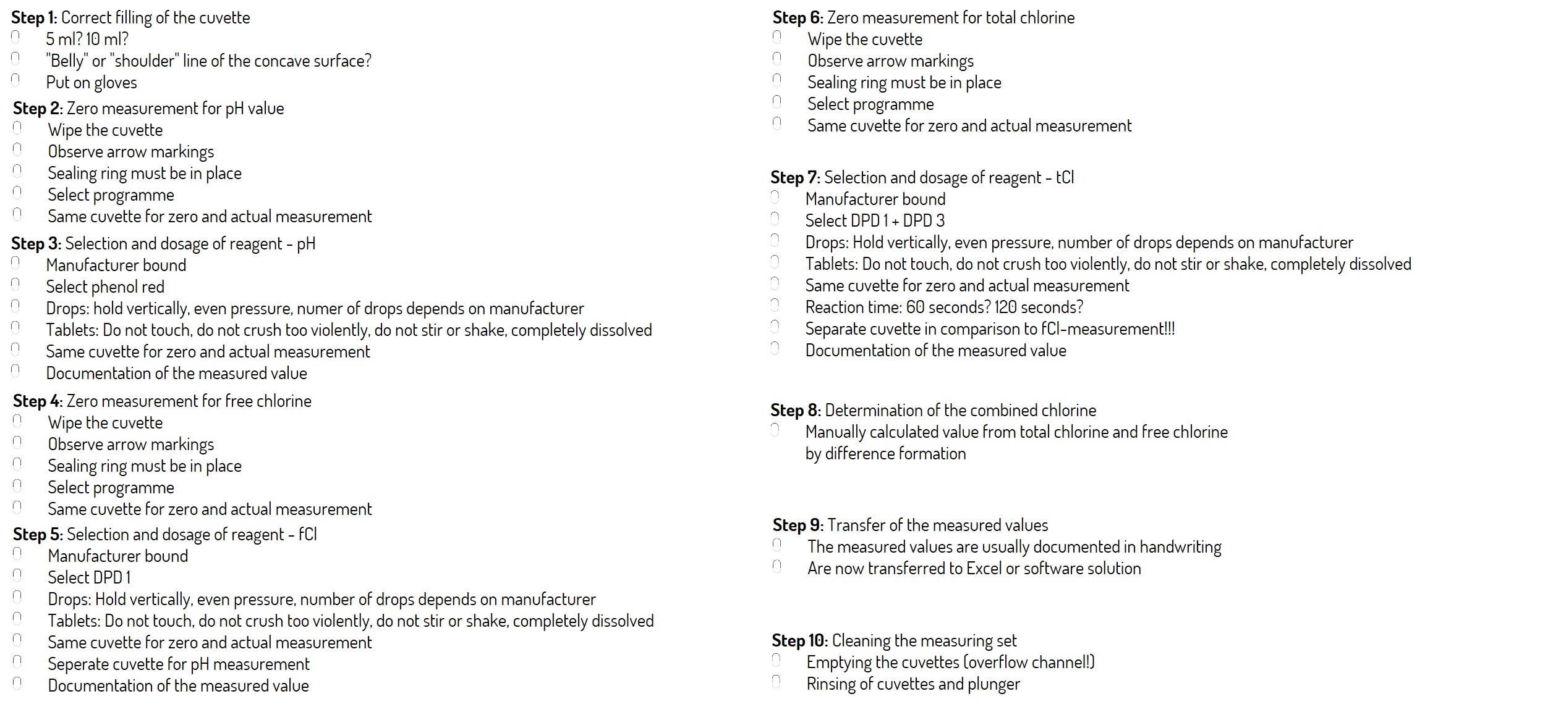
Time calculation with the LILIAN
Number of Pools managed: | 5
Measurements per pool daily: | 3
Hourly wage (employer gross): | 22.50 €
 |  | Time per measurement in minutes: | 10
Time requirement LILIAN |  | Time required for conventional photometer (10 min. per measurement)
Measurement daily: | 15 | Measurement daily: | 15
Time required daily in minutes: | 15 | Time required daily in minutes: | 150
Time required daily in hours: | 0.25 | Time required daily in hours: | 2.5
Persons necessary (8h Full-time): | 0.0 | Persons necessary (8h Full-time): | 0.3
Personnel costs daily | 5.63 € | Personnel costs daily | 56.25 €

Hours per year | 91 | Hours per year | 913
Personnel costs per year | 2,053.13 € | Personnel costs per year | 20,531.25 €

Difference with LILIAN | Hours | 821
 | Personnel costs: | -18,478.13 €

Cost calculation with the SensoStick
Number of pools managed | 5
Measurement per pool daily | 3

SensoSticks |  | Tablets/ Drops
Measurement per day: | 15 | Measurement per day: | 15
Stick requirement daily: | 15 | Tablet requirement daily: | 45

Stick price: | 1.19 € | Price per tablet/ 4 drops phenol red | 0.08 €
 |  | Price per tablet/ 4 drops DPD 1 | 0.08 € | Overview of annual costs:
 |  | Price per tablet/ 4 drops DPD 3 | 0.08 €

Material costs per day | 17.85 € | Material costs per day | 3.60 € |  | Conventional | LILIAN

Difference with LILIAN per day: |  | 14.25 € |  | Material | 1,314 € | 6,515 €
Difference with LILIAN per year: |  | 5,201.25 € |  | Personnel | 20,531 € | 2,053 €
 |  |  |  | Total | 21,845 € | 8,568 €

Overall calculation: |  | -13,276.88 € |  | Saved with LILIAN: |  | -13,276.88 €
 |  | saved with the LILIAN

The time saved refers only to the performance of the measurement. Not included in the calculation are times for the control of the measurements by the managers, who usually have a higher hourly wage.

Other non-monetary benefits: 1.) Less control effort: You now have the certainty that measurements have been taken - if a measured value appears in the software, it has actually been measured. 2.) Fewer sources of error: Take a look at the necessary steps on the right - the potential for error is high! 3.) The time saved not only brings cost savings - you can now use your well-trained people for important things.

